Feuille 1
 | results of the distance prediction CNN |  |  |  |  |  | --- input change comparing to the first one --- input change comparing to the one before

 |  | Inputs |  |  |  |  |  |  |  |  |  |  |  | Results
Convolutional Neural Network |  |  |  |  |  |  |  |  |  |  |  |  |  | Error for every outputs |  |  |  | Error for the final output |  |  |  | Additional explanations
Test number | date | train data (inputs used to train the CNN) | number of train data rows | number of valid data rows(inputs used to predict the output) | ration(%)(number of valid data / number of train data) | Train data | valid data |  | number of neurons per layer | Optimizer | activation function | epochs | loss | RMSE (average error (in meter)) | MAE (mean absolute error) | R² (determination coefficient (1 is pefect match)) | MPE (mean percentage error) | Difference between total valid distance and total predicted distance |  |  |  | When I run several times the same program, it doesn't give the same result every time. For exemple for the first test, sometimes I have an error of 20 meters for total distance and sometimes it's 50. So it's hard to determine which parameter has a significant impact on the result
0 | 2023-08-04 | (timestamp, acc, GPS, steps) = 17 inputs | 11989 | 100 | 0.8340979231 | see additional explanations | 5min walk at normal speed |  | 32 | Adam(0.01) | relu | 10 | MSE | 17.3246 | 15.1004 | 0.9722 | -182.0714% | 24.976562
1 | 2023-08-07 | (timestamp, acc, GPS, steps) = 17 inputs | 11989 | 100 | 0.8340979231 | see additional explanations | 5min walk at normal speed |  | 32 | Adam(0.01) | relu | 10 | MAE | 2823296 | 12.0370 | 0.9844 | -149.4593% | 6.3395386 |  |  |  | Train datas are composed of 15 walks of 1km: -3 walks at low speed -3 walks at normal speed -3 walks at high speed -3 walks at alternating speed (low then normal then fast) -3 walks at random speed with random breaks
2 | 2023-08-07 | (acc, GPS, steps) = 16 inputs | 11989 | 100 | 0.8340979231 | see additional explanations | 5min walk at normal speed |  | 32 | Adam(0.01) | relu | 10 | MSE | 816227 | 463707 | 0.9899 | -169.6927% | 15.968994
3 | 2023-08-07 | (timestamp, acc, GPS, steps) = 17 inputs | 11989 | 100 | 0.8340979231 | see additional explanations | 5min walk at normal speed |  | 32 | Adam(0.01) | relu | 20 | MSE | 18.9644 | 14.6485 | 0.9666 | -179.9488% | 12.859894
4 | 2023-08-07 | (acc, steps) = 10 inputs | 730214 | 100 | 0.013694615551 | see additional explanations | 5min walk at normal speed |  | 32 | Adam(0.01) | relu | 10 | MSE | 11.1323 | 9.0726 | 0.9885 | -226.5417% | 13.619171
5 | 2023-08-07 | (acc, steps) = 10 inputs | 730214 | 17898 | 2.4510622913 | see additional explanations | 5min walk at normal speed |  | 32 | Adam(0.01) | relu | 10 | MSE | 43.0959 | 36.4739 | 0.8558 | -226.5417% | 3.63562
6 | 2023-08-08 | (acc, steps) = 10 inputs | 730214 | 100 | 0.013694615551 | see additional explanations | 5min walk at normal speed |  | 32 | Adam(0.01) | relu | 20 | MSE | 21.2920 | 17.5759 | 0.9581 | -220.3294% | 13.135193
7 | 2023-08-08 | (acc, steps) = 10 inputs | 487123 | 243095 | 49.904233633 | see additional explanations | 5 walks of 1km at different speed |  | 32 | Adam(0.01) | relu | 10 | MSE | 53.0853 | 37.2245 | 0.9663 |  | 87.06171
8 | 2023-08-08 | (acc) = 9 inputs | 716148 | 100 | 0.013963594117 | see additional explanations | 5min walk at normal speed |  | 32 | Adam(0.01) | relu | 10 | MSE | 294.6802 | 275.7058 | -7.0235 | -663.0571% | 97.08481 |  |  | Can't predict at all the distance without the steps -> need to use recursive NN
Recursive Neural Network |  |  |  |  |  |  |  |  |  |  |  |  |  | Error for every outputs |  |  |  | Error for the final output
Test number | date | train data (inputs used to train the CNN) | number of train data rows | number of valid data rows(inputs used to predict the output) | ration(%)(number of valid data / number of train data) | Train data | valid data | steps number (number of rows taken to find one distance value) | number of neurons per layer | Optimizer | activation function | epochs | loss | RMSE (average error (in meter)) | MAE (mean absolute error) | R² (determination coefficient (1 is pefect match)) |  | Difference between total valid distance and total predicted distance | total distance | % error (distance difference / total distance)*100 | test number | 16 | 17 | 20 | 22 | 23 | 24
9 | 2023-08-09 | (acc, steps) = 10 inputs | 1000 | 100 | 10 | Normal speed | same as train data | 50 | 50 | adam | relu | 200 | MSE | 120.5448 | 74.9772 | -2.4891 |  | 84.489 | 226.489 | #VALUE! | Graphs | 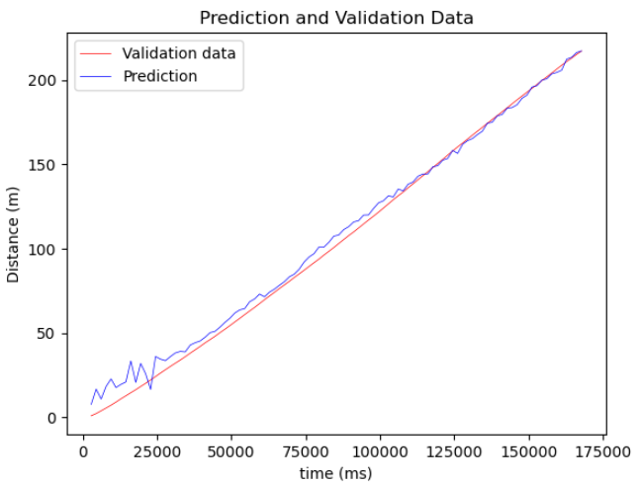 | 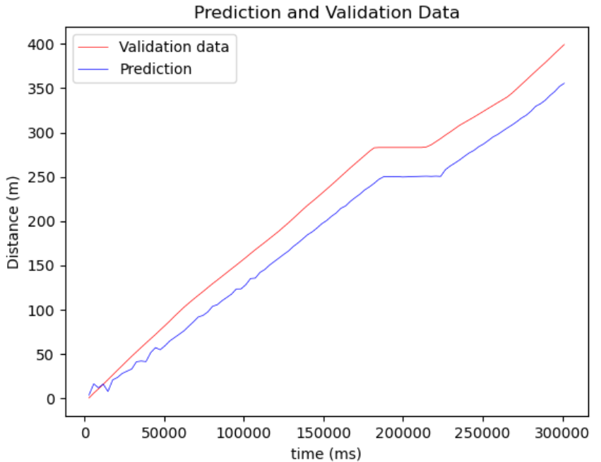 | 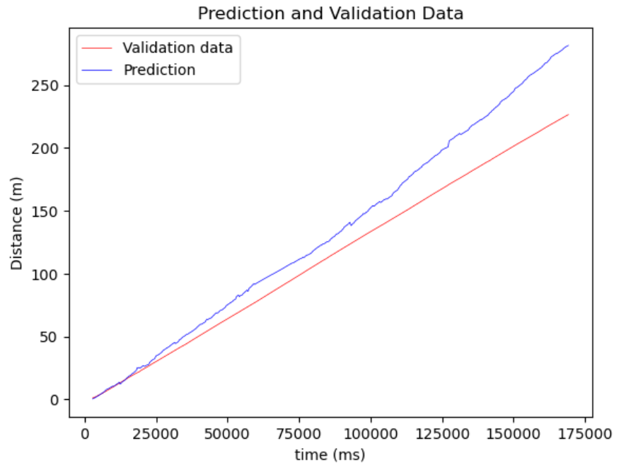 | 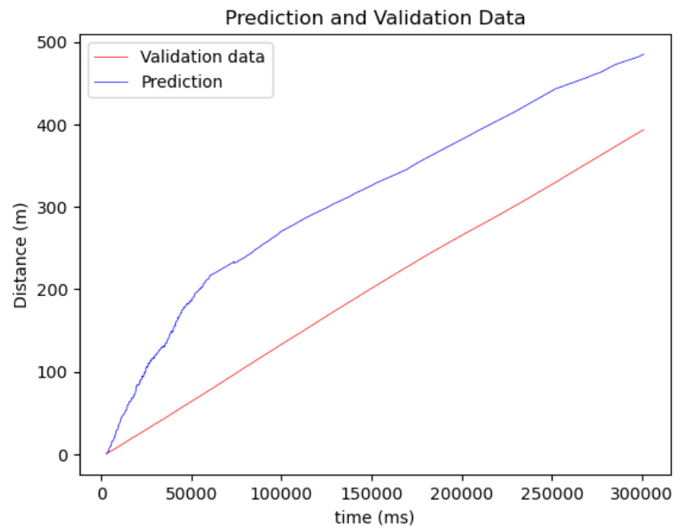 | 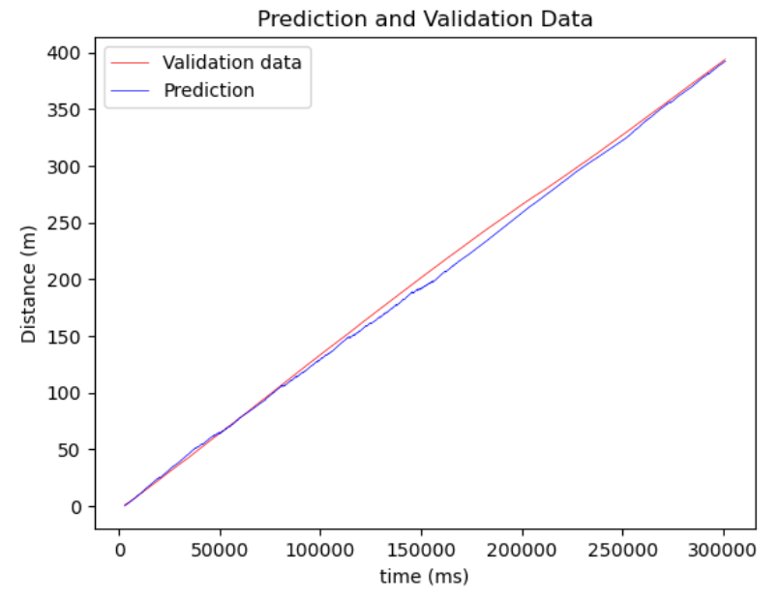 | 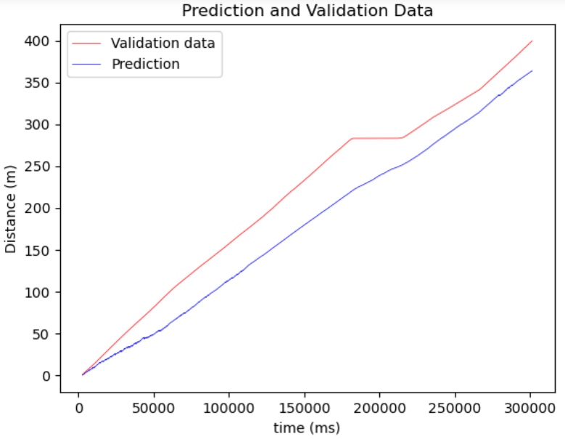
10 | 2023-08-09 | (acc, steps) = 10 inputs | 1000 | 100 | 10 | Normal speed | same as train data | 20 | 50 | adam | relu | 200 | MSE | 49.6899 | 32.9337 | 0.4088 |  | 184.242 | 226.489 | #VALUE!
11 | 2023-08-09 | (acc, steps) = 10 inputs | 1000 | 100 | 10 | Normal speed | same as train data | 10 | 50 | adam | relu | 200 | MSE | 27.3947 | 18.7304 | 0.8203 |  | 62.4081 | 226.489 | #VALUE!
12 | 2023-08-09 | (acc, steps) = 10 inputs | 1000 | 100 | 10 | Normal speed | same as train data | 3 | 50 | adam | relu | 200 | MSE | 31.0598 | 23.6015 | 0.7690 |  | 54.7114 | 226.489 | #VALUE!
13 | 2023-08-09 | (acc, steps) = 10 inputs | 1000 | 100 | 10 | Normal speed | same as train data | 5 | 50 | adam | relu | 200 | MSE | 17.9990 | 475122 | 0.9224 |  | 17.113 | 226.489 | #VALUE!
14 | 2023-08-09 | (acc, steps) = 10 inputs | 10000 | 100 | 1 | Normal speed | same as train data | 5 | 50 | adam | relu | 200 | MSE | 0.3570 | 0.2890 | 2000-01-01 |  | 0.6462 | 226.489 | #VALUE!
15 | 2023-08-09 | (acc, steps) = 10 inputs | 10000 | 100 | 1 | Normal speed | 5min walk at normal speed | 5 | 50 | adam | relu | 200 | MSE | 5.1775 | 1518740 | 0.9936 |  | 2396418 | 226.489 | #VALUE!
16 | 2023-08-09 | (acc, steps) = 10 inputs | 10000 | 100 | 1 | Normal speed | 5min walk at normal speed | 10 | 50 | adam | relu | 200 | MSE | 469824 | 4.0435 | 0.9932 |  | 0.0227 | 226.489 | #VALUE!
17 | 2023-08-10 | (acc, steps) = 10 inputs | 10000 | 100 | 1 | Normal speed | 5min walk at random speeds | 5 | 50 | adam | relu | 200 | MSE | 31.9735 | 30.3916 | 0.9159 |  | 43.7725 | 400 | #VALUE!
18 | 2023-08-10 | (acc, steps) = 10 inputs | 10000 | 100 | 1 | Normal speed | 5min walk at random speeds | 10 | 50 | adam | relu | 200 | MSE | 31.7657 | 30.4356 | 0.9170 |  | 44.28136 | 400 | #VALUE!
19 | 2023-08-10 | (acc) = 9 inputs | 10000 | 100 | 1 | Normal speed | 5min walk at normal speed | 5 | 50 | adam | relu | 200 | MSE | 210.9665 | 176.9516 | -2.4238 |  | 358.8697 | 226.489 | #VALUE!
20 | 2023-08-10 | (acc) = 9 inputs The output is not the total distance but the distance difference between two samples separated by the steps number | 10000 | 10000 | 100 | Normal speed | 5min walk at normal speed | 5 | 50 | adam | relu | 200 | MSE | 13.9692 | 1817388 | 0.9550 |  | 23.8612 | 226.489 | #VALUE! | -> Can predict the distance just with the acceleration (without steps) -> The error of every output is added. So the more there is predictions, the bigger is the error
21 | 2023-08-10 | "" | 10000 | 17880 | 178.8 | Normal speed | 5min walk at normal speed | 20 | 50 | adam | relu | 200 | MSE | 25.6274 | 20.3922 | 0.8487 |  | 55.0444822 | 226.489 | #VALUE!
22 | 2023-08-10 | "" + steps = 11 inputs | 10000 | 17895 | 178.95 | Normal speed | 5min walk at normal speed | 5 | 50 | adam | relu | 200 | MSE | -->doesn't work
23 | 2023-08-11 | "" + steps difference between two samples = 11 inputs | 10000 | 17895 | 178.95 | Normal speed | 5min walk at normal speed (take also the steps difference) | 5 | 50 | adam | relu | 200 | MSE | 5.4441 | 4.4529 | 0.9977 |  | 1.7218 | 393.81927 | #VALUE!
24 | 2023-08-11 | "" | 10000 | 17895 | 178.95 | Normal speed | 5min walk at random speeds (take also the steps difference) | 5 | 50 | adam | relu | 200 | MSE | 39.7848 | 37.2082 | 0.867 |  | 35.6883 | 399.62 | #VALUE!
 |  |  | It crashes if I put more training

